Process Map
 | Recovery Navigator- Pre Arrest Diversion Process Map

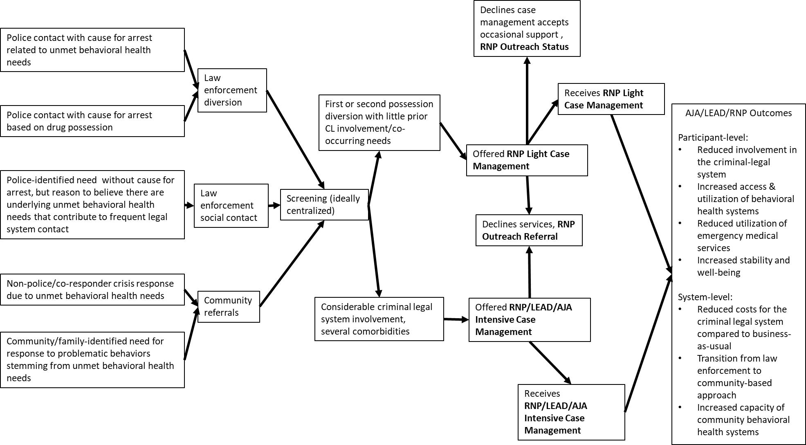

Knaphus-Soran, Emily. Process Map. 16 November 2021. Microsoft Excel file

